How-to
Process: | Hint: The screenshots are example for

 |  |  |  |  |  |  | 1. Project information

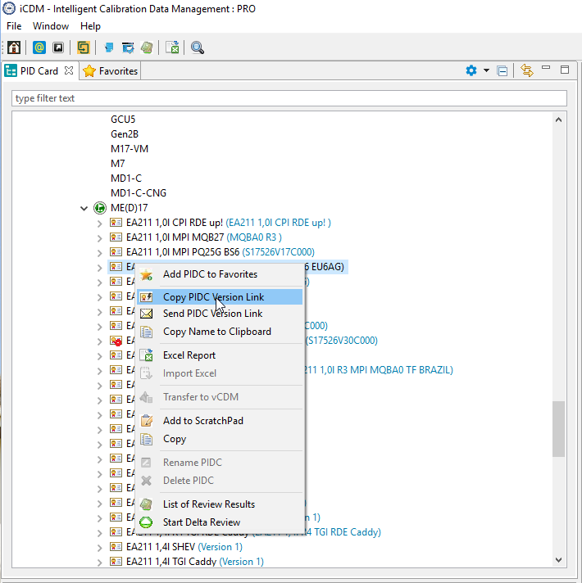

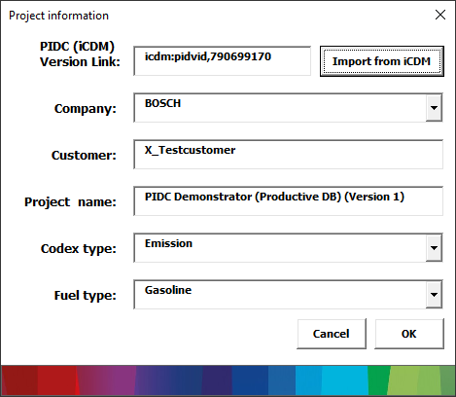

 |  |  |  |  |  |  |  | Right-Mouse click on PIDC
 |  |  |  |  |  |  |  | Copy PIDC Version Link

 |  |  |  |  |  |  |  |  | OBD
 |  |  |  | Emission

 |  |  | 2. Work packages |  |  |  |  |  |  | 2. Add OBD Variants

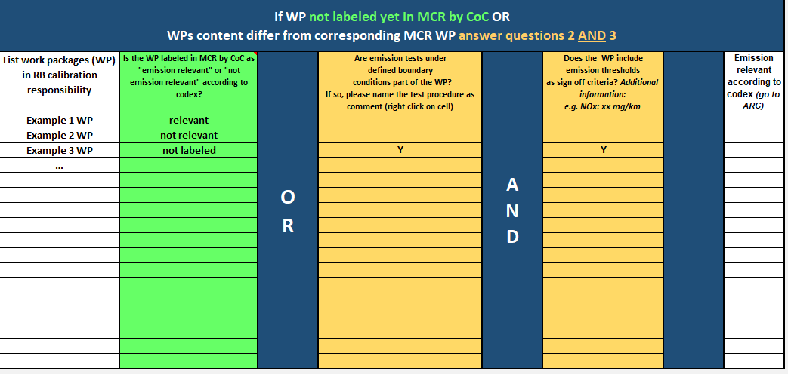
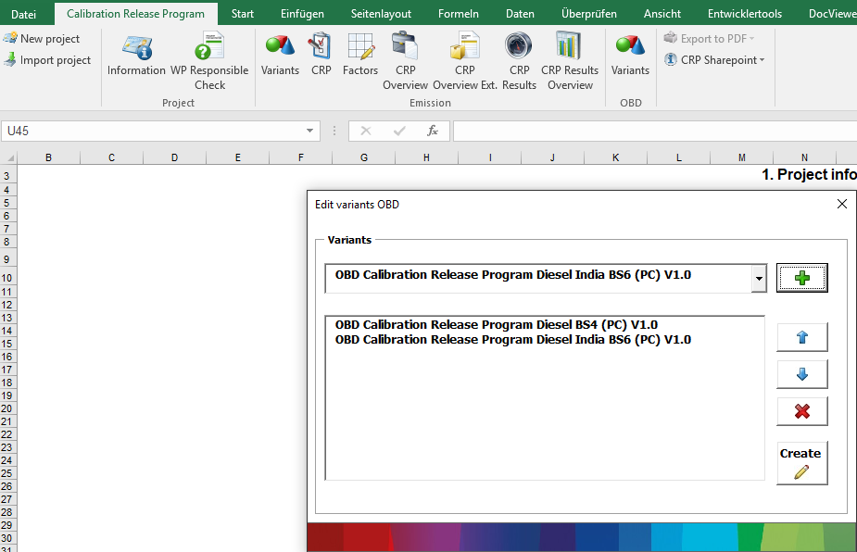

 |  | 3. Decision Check (Calibration Release Program needed or not)

 |  |  |  |  |  |  |  |  |  |  | 3. Fill in informations
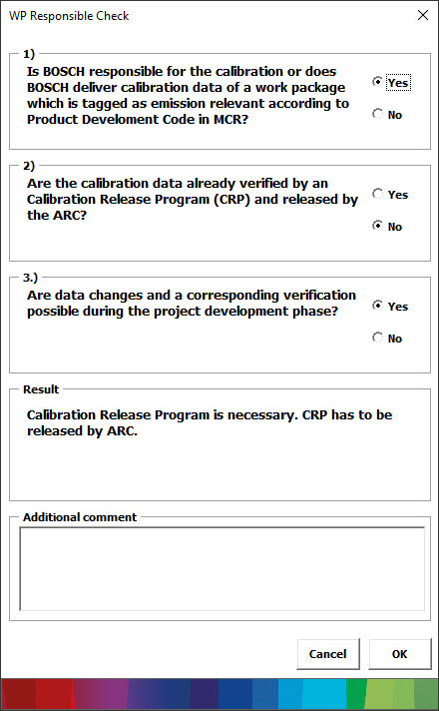

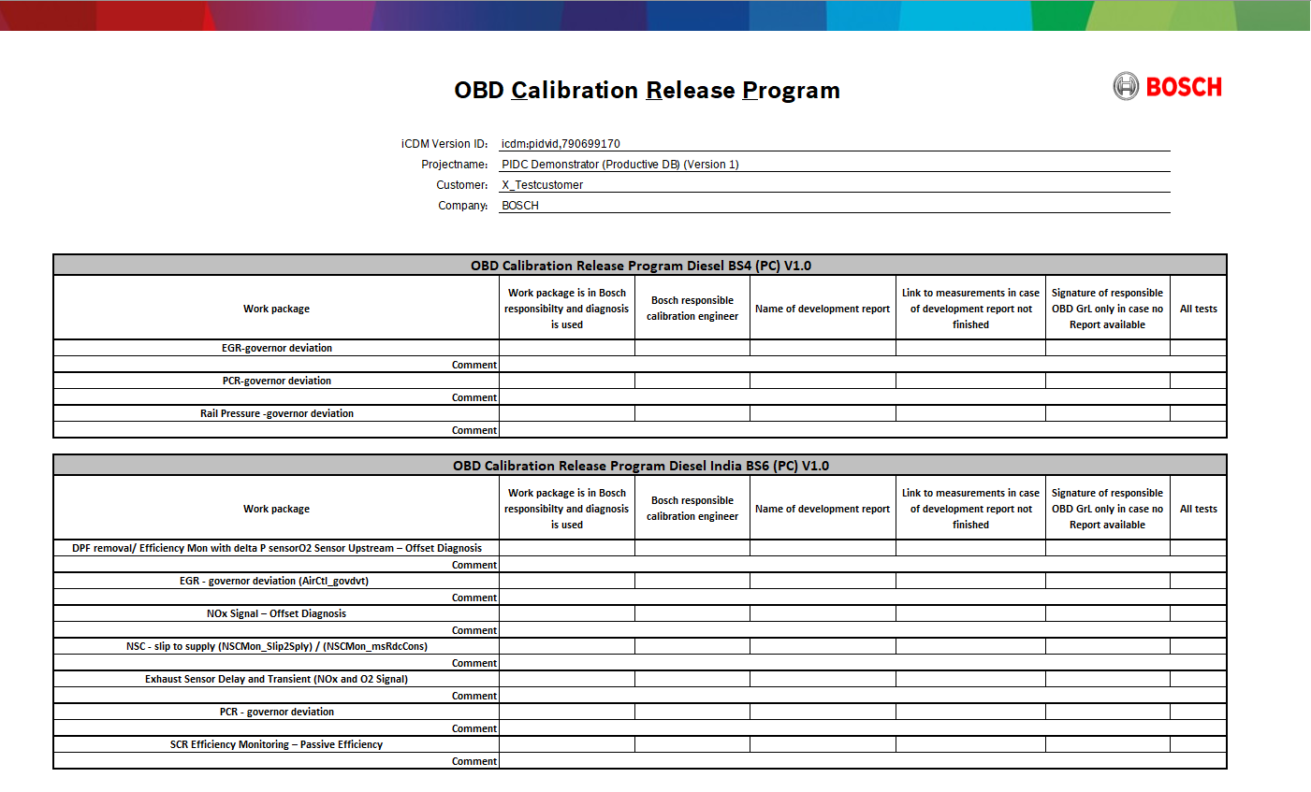

 | no CRP needed |  |  |  |  | CRP needed

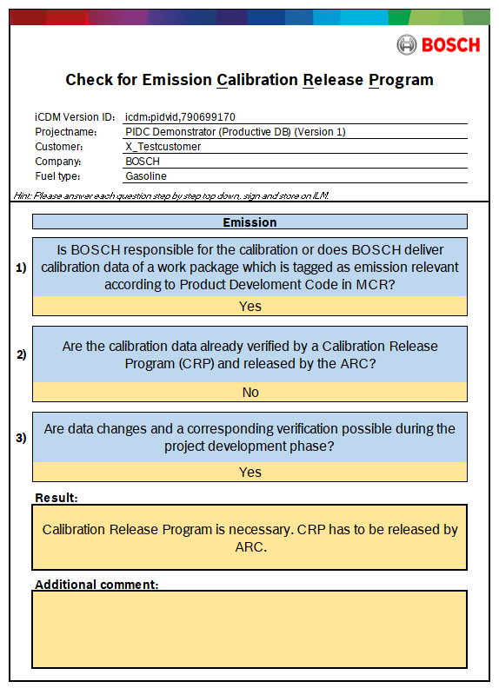
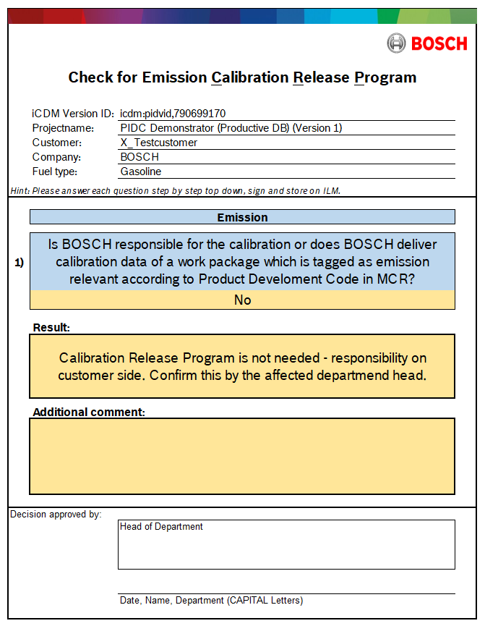

 | Finish |  |  |  |  | 4. Add / Edit Variants

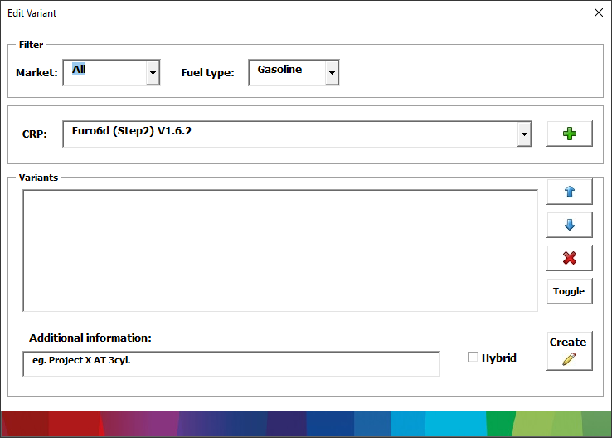

 |  |  |  | 5. Unselect tests, add tests or change/add drive modes

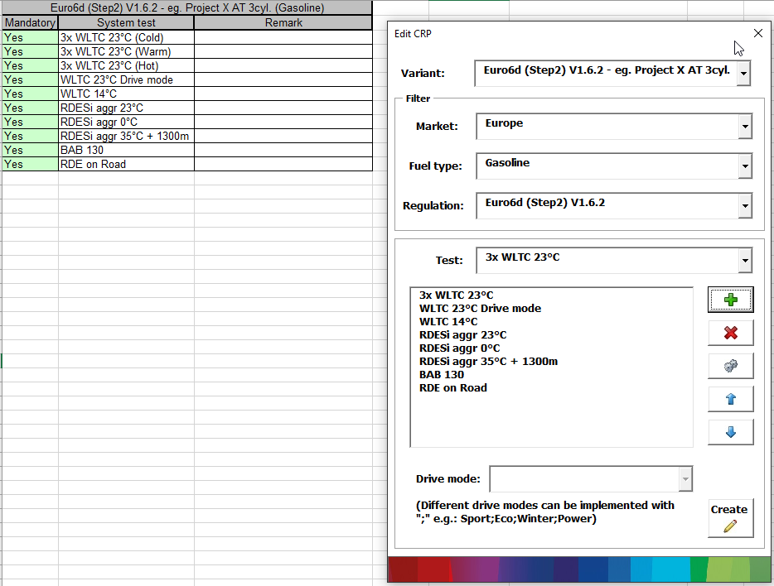

 |  |  |  |  | 6. (Optinal) Change Limits or tolerance

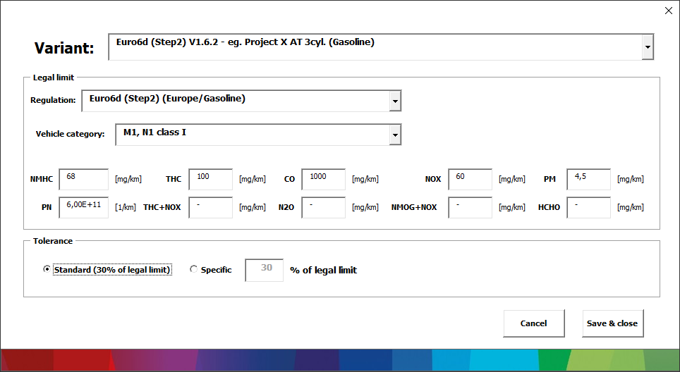

 |  |  |  |  |  |  | 7. Calculate engineering targets for all tests and show internal CRP Overview
 |  |  |  |  |  |  | Have to released by ARC or at BEG by affected departmend head

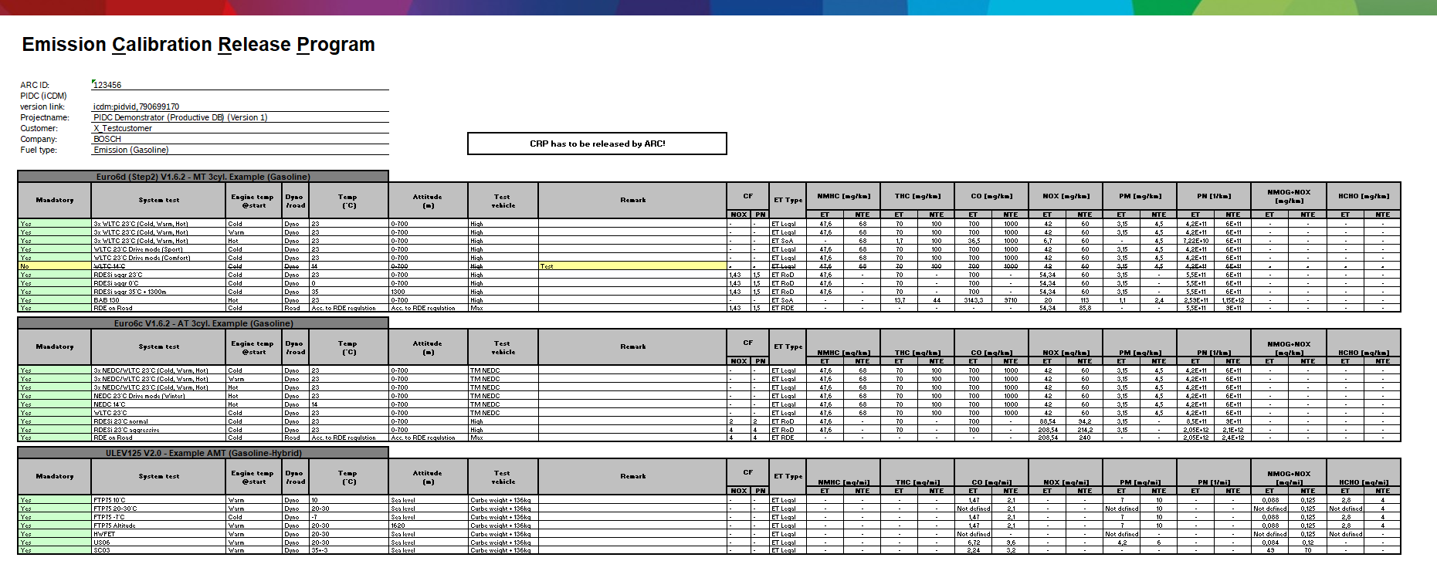

 |  |  |  |  | External View

 |  |  |  |  |  | 8. Calculate engineering targets for all tests and show external CRP Overview (without unselected tests)

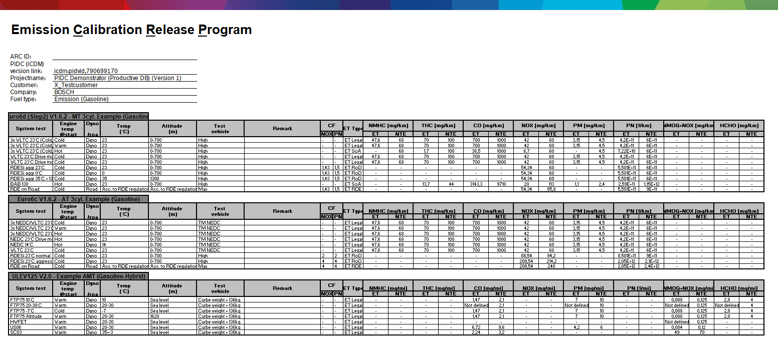

 |  |  |  |  |  |  | 9. Create/ update the result page

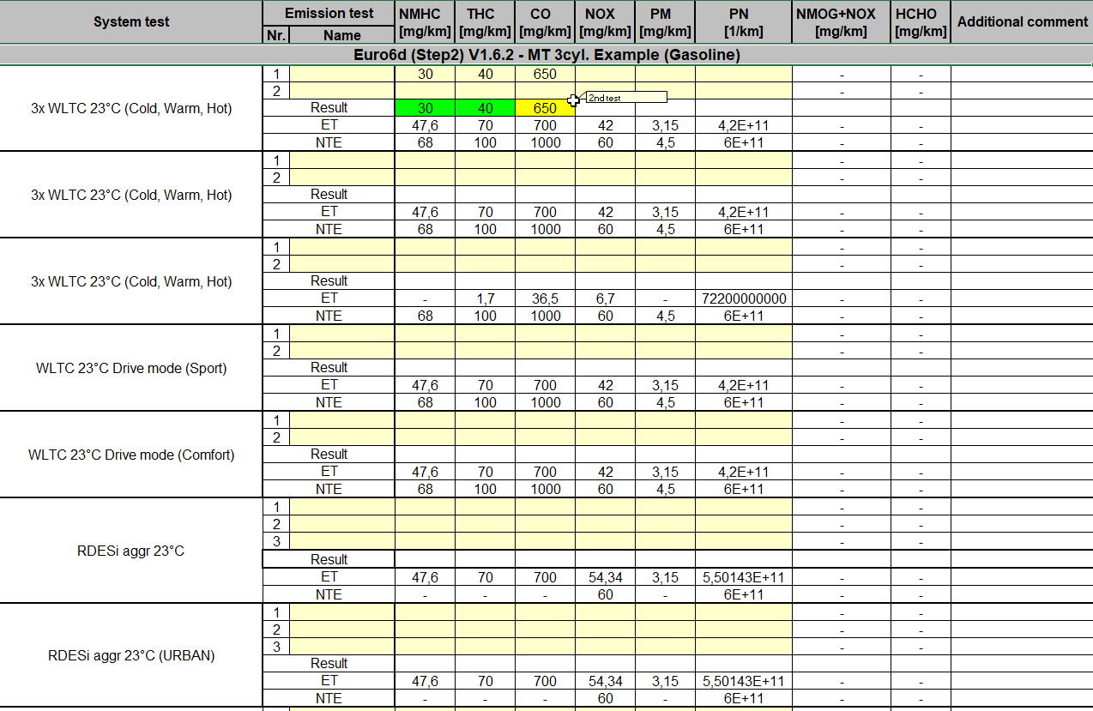

 |  |  |  |  |  |  | 9. Show the result overview page

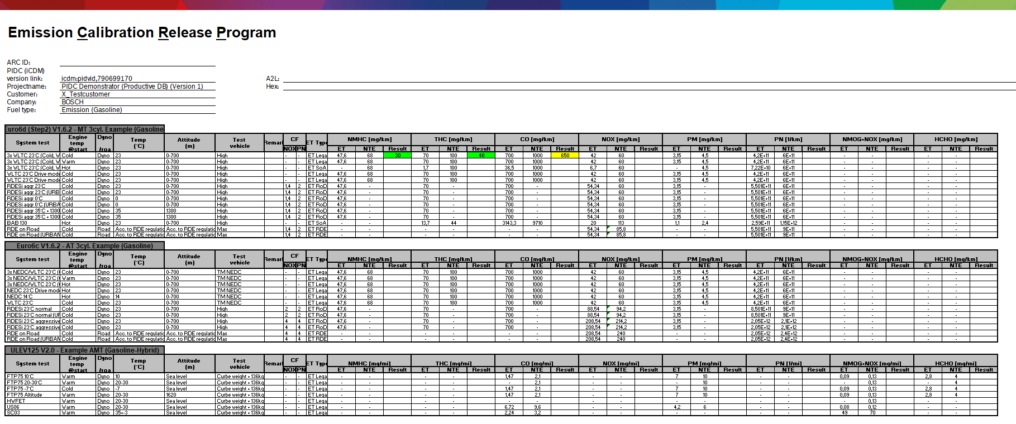

Additional functions:

Open the SharePoint links of each region

Special Exports of each page

